Sheet1
https://orion-advisor.atlassian.net/browse/INVST-8538 |  | Developer - Prateek, Sneha |  | QA - Gourav Singh

Test case | Expected Result | Actual Result | Status | Message | Developer's Remark | Bug Rating
Firm | Team | Account : $ 200 , 500 , 1000 | Max out of $ or %.
Firm 88200 > PID 370702 > TT > Account and cash details > AID 734431 > Check Reserve cash $ > Run Rebalancer > Check trade log file > Compare Reserve Cash value. | Reserve cash value should be same in Rebalancer and Tactical tool. Reserve cash should be $ 1000 (Account). | Working as Expected. | PASS
Firm | Team | Account : $ 200 , 5000 , 1000 | Max out of $ or %. | Reserve cash should be $ 5000 (Team).
Firm | Team | Account : $ 2000 , 500 , 1000 | Max out of $ or %. | Reserve cash should be $ 2000 (Firm). | Working as Expected. | PASS

Firm | Team | Account : $ 200 , 5000 , 1000 | Min out of $ or %. | Reserve cash should be $ 200 (Firm). | Working as Expected. | PASS
Firm | Team | Account : $ 2000 , 5000 , 1000 | Min out of $ or %. | Reserve cash should be $ 1000 (Account). | Working as Expected. | PASS
Firm | Team | Account : $ 2000 , 500 , 1000 | Min out of $ or %. | Reserve cash should be $ 500 (Team). | Working as Expected. | PASS

Firm | Team | Account : % 1 , $ 500 , 1000 | Max out of $ or %.
Firm 88200 > PID 370702 > TT > Account and cash details > AID 734431 > Check Reserve cash $ > Run Rebalancer > Check trade log file > Compare Reserve Cash value. Account value is $ 64k. | Reserve cash should be 1 % of Account value minus Excluding holding. | Working as Expected. | PASS

Firm | Team | Account : % 1 , 5 , 8 | Max out of $ or %. | Reserve cash value should depend on Reserve cash usage. | Working as Expected. | PASS
Firm | Team | Account : % 1 , 5 , 8 | Min out of $ or %. | Reserve cash value should depend on Reserve cash usage. | Working as Expected. | PASS
Firm | Team | Account : $ 800 , 1200 , 8 % | Min out of $ or %. | Reserve cash value should depend on Reserve cash usage. | Working as Expected. | PASS

Check For Reserve cash Replenish ON / OFF. | Check above cases. | Working as Expected. | PASS
Check Billing Cash > Account and portfolio. | Billing Cash should depend on Reserve cash usage. | Working as Expected. | PASS
Check Reserve cash usage on Firm and Team level. | It should depend on hierarchy of Pref. | Working as Expected. | PASS

Excluded security has Sell trade in Pending / Block
Firm 88200 > PID 370702 > TT > Account and cash details > AID 734431 > Security JVAL has Sell trade in Pending > Check Managed value > | Pending trade amount of Excluded security should be excluded from Account managed value. | Working as Expected. | PASS

Excluded security has Buy trade in Pending / Block
Firm 88200 > PID 370702 > TT > Account and cash details > AID 734431 > Security JVAL has Sell trade in Pending > Check Managed value > | Pending trade amount of Excluded security should be excluded from Account managed value. | Working as Expected. | PASS
Same as above > Remove model > save > TT > Check values. | Values should remain same for Portfolio without model. | Working as Expected. | PASS

Firm 88200 > PID 372318 (Multiple Accounts) > Account ID 733821 has Pending trade for Excluded security > Set Reserve cash usage : Min / Max > TT > Account and cash details > Select Account > check Account values and Reserve cash. | Reserve cash should depend on Reserve cash pref. and Pending amount of Excluded security should not be counted in Managed value of Account. | Working as Expected. | PASS

Firm 88200 > PID 109088 (Sleeved Account) > Check above combinations. | Reserve cash value should depend on Reserve cash usage. | Working as Expected. | PASS
Same as Above > PID 109088 > AID > Set Reserve and Billing > save > TT > Check Account, Excluded and managed value , Reserve and Billing > Add set aside cash value > Save > Run analyitcs > Check values again. | Reserve and billing cash value should remain same, while Excluded value should be updated in Account and cash details and Rebalancer summary. | Working as Expected. | PASS
Same as Above > PID 109088 > AID 684683 > Model tol. > Check Cash target $ and % > Account and cash detials > Compare M&R $ and %. |  | Working as Expected. | PASS

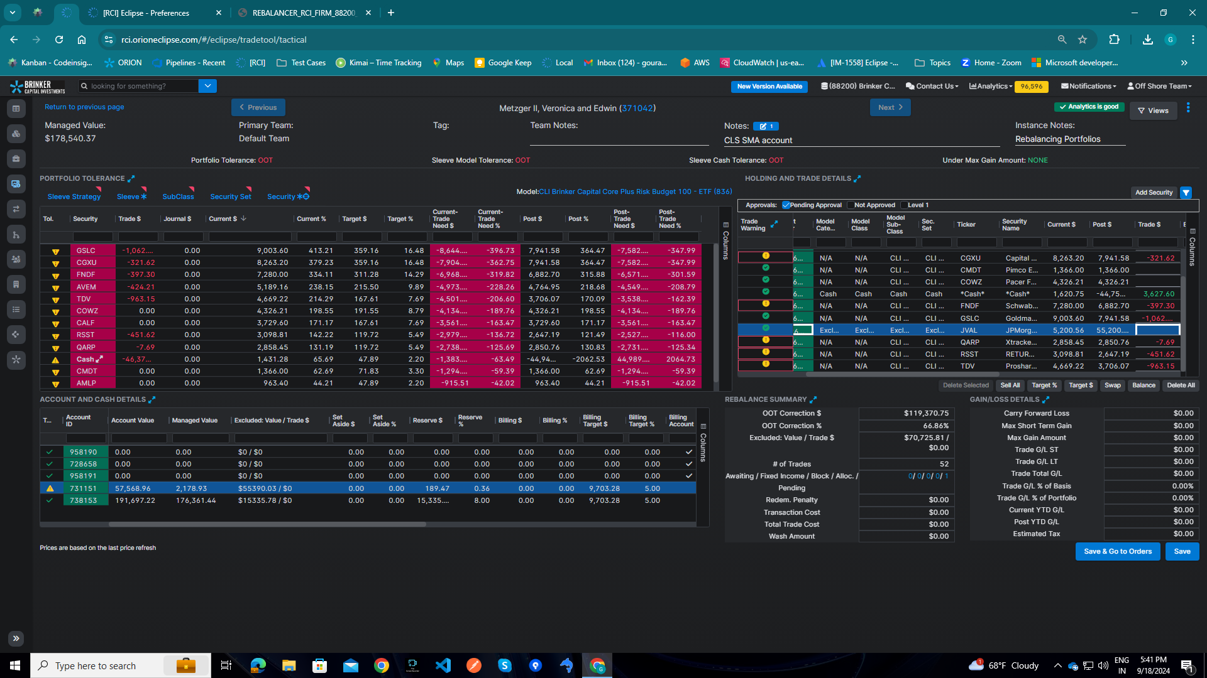
Firm | Team | Account : % 1 , 5 , 8 | Max out of $ or %. | Replenish Firm 88200 > PID 371042 (Multiple Sleeved Accounts) > TT > Account and cash details > AID 731151 > Holding and trade details > Select Excluded security JVAL > Buy trade in Pending > Check managed value of Account > Reserve cash value $ and %. | Reserve Cash $ value should be equal to max of reserve cash % set at pref. | Working fine now. Reserve cash % value is incorrect. | PASS |  |  | -1
"Firm | Team | Account : % 1 , 5 , 8 for TD Account | Max out of $ or %. | Replenish : ON Firm 88200 > PID 371042 (Multiple Sleeved Accounts) > Rebalancer > trade log file > AID 731151 (TAXDF) > check Reserve cash value > Each Account Preferences - Reserve cash columns > rsrvCashTD value is $ 0.00 while rsrvCashTE is $ 3881.311 | Reserve cash value should be set for Same account type. |  | FAIL | Not related to ticket. |  | 0
Same as Above > Check Reserve and billing for Custodial , Cont.and Dist. Accounts. | Columns value should be 0. | Working as Expected. | PASS
Same as above > TT > Account and Cash details > Check Billing Account > Set Billling Cash. | Billing Cash Actual should not be added to account if Account type is not Billing. | Working as Expected. | PASS

Split Flag : reserve_cash_usage_s8538 : ON / OFF |  | Working as Expected. | PASS

